API
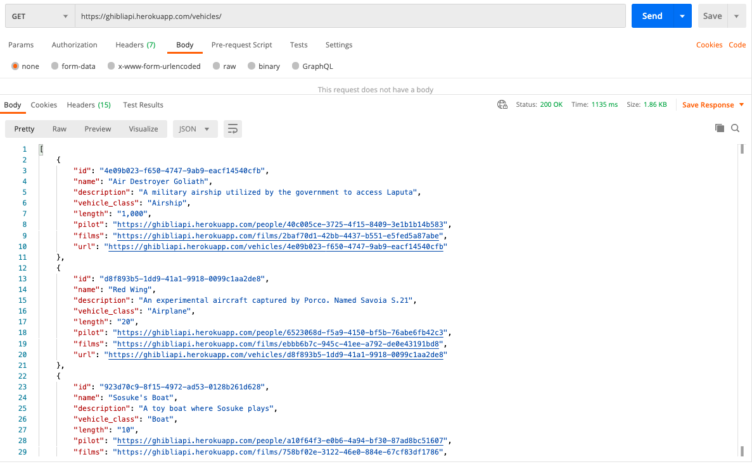
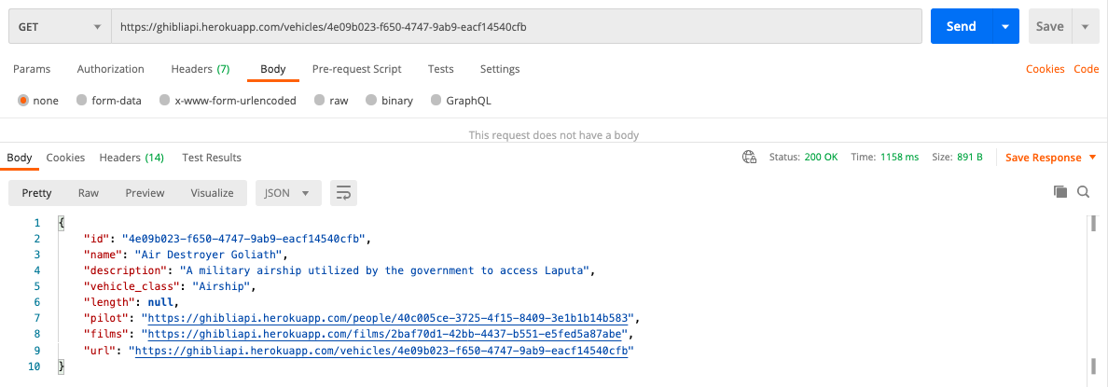
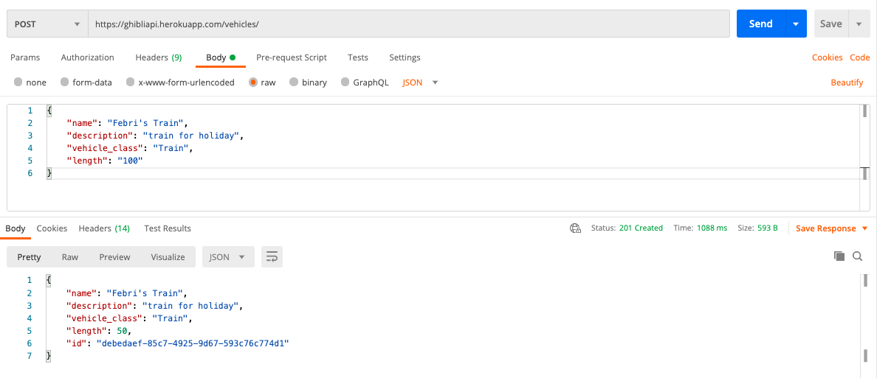
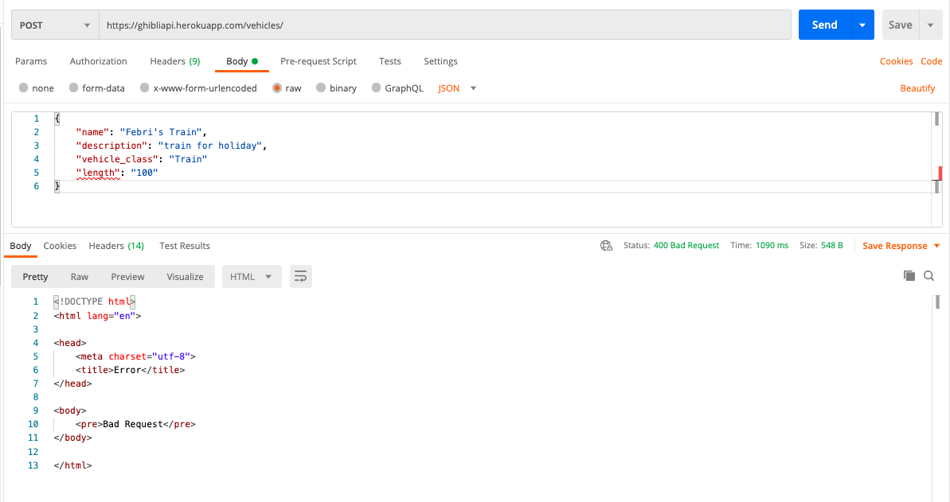
 | https://ghibliapi.herokuapp.com/vehicles/.

Case | Method | Request URL | Payload | Status Code | Response
Get All Vehicles | GET | https://ghibliapi.herokuapp.com/vehicles/ | - | 200 OK | [ { "id": "4e09b023-f650-4747-9ab9-eacf14540cfb", "name": "Air Destroyer Goliath", "description": "A military airship utilized by the government to access Laputa", "vehicle_class": "Airship", "length": "1,000", "pilot": "https://ghibliapi.herokuapp.com/people/40c005ce-3725-4f15-8409-3e1b1b14b583", "films": "https://ghibliapi.herokuapp.com/films/2baf70d1-42bb-4437-b551-e5fed5a87abe", "url": "https://ghibliapi.herokuapp.com/vehicles/4e09b023-f650-4747-9ab9-eacf14540cfb" }, { "id": "d8f893b5-1dd9-41a1-9918-0099c1aa2de8", "name": "Red Wing", "description": "An experimental aircraft captured by Porco. Named Savoia S.21", "vehicle_class": "Airplane", "length": "20", "pilot": "https://ghibliapi.herokuapp.com/people/6523068d-f5a9-4150-bf5b-76abe6fb42c3", "films": "https://ghibliapi.herokuapp.com/films/ebbb6b7c-945c-41ee-a792-de0e43191bd8", "url": "https://ghibliapi.herokuapp.com/vehicles/d8f893b5-1dd9-41a1-9918-0099c1aa2de8" }, { "id": "923d70c9-8f15-4972-ad53-0128b261d628", "name": "Sosuke's Boat", "description": "A toy boat where Sosuke plays", "vehicle_class": "Boat", "length": "10", "pilot": "https://ghibliapi.herokuapp.com/people/a10f64f3-e0b6-4a94-bf30-87ad8bc51607", "films": "https://ghibliapi.herokuapp.com/films/758bf02e-3122-46e0-884e-67cf83df1786", "url": "https://ghibliapi.herokuapp.com/vehicles/923d70c9-8f15-4972-ad53-0128b261d628" } ]
Get Specific Vehicles By correct ID | GET | https://ghibliapi.herokuapp.com/vehicles/4e09b023-f650-4747-9ab9-eacf14540cfb | - | 200 OK | { "id": "4e09b023-f650-4747-9ab9-eacf14540cfb", "name": "Air Destroyer Goliath", "description": "A military airship utilized by the government to access Laputa", "vehicle_class": "Airship", "length": "1,000", "pilot": "https://ghibliapi.herokuapp.com/people/40c005ce-3725-4f15-8409-3e1b1b14b583", "films": "https://ghibliapi.herokuapp.com/films/2baf70d1-42bb-4437-b551-e5fed5a87abe", "url": "https://ghibliapi.herokuapp.com/vehicles/4e09b023-f650-4747-9ab9-eacf14540cfb" }
Get Specific Vehicles By Incorrect ID | GET | https://ghibliapi.herokuapp.com/vehicles/SDJCDSCCDSJCD |  | 404 Not Found | { "length": null }
Create new vehicle list | POST | https://ghibliapi.herokuapp.com/vehicles/ | { "name": "Febri's Train", "description": "train for holiday", "vehicle_class": "Train", "length": "100" } | 201 Created | { "name": "Febri's Train", "description": "train for holiday", "vehicle_class": "Train", "length": 50, "id": "152f80ee-0be8-494b-8a50-ddf43684244a" }
Create new vehicle with invalid payload | POST | https://ghibliapi.herokuapp.com/vehicles/ | { "name": "Febri's Train", "description": "train for holiday", "vehicle_class": "Train" "length": "100" } | 400 Bad Request | <!DOCTYPE html> <html lang="en"> <head> <meta charset="utf-8"> <title>Error</title> </head> <body> <pre>Bad Request</pre> </body> </html>

Postman

